Hypothesis Test
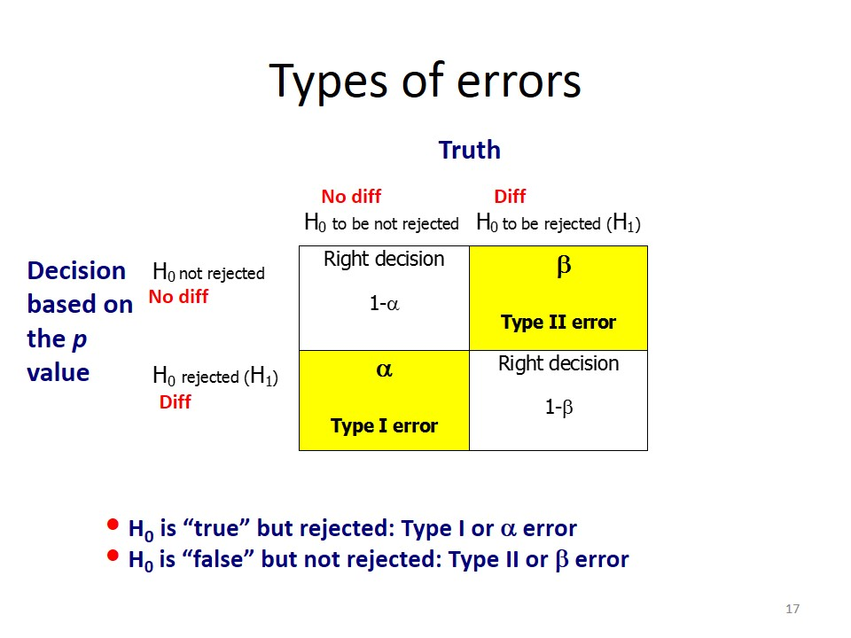
Hypothesis Testing
 | Hypothesis Testing | It refers to statistically analyzing the data from a sample in order to make assumptions about a population.
 | Z Value | Measure of standard deviation i.e. how many standard deviation away from mean is the observed value.
 | P Value | It is a Probability Value which is associates with Z value in Z table of Standard Normal Distribution
 | Z Value Formula

 |  | Ƶ = Z Value
 |  | X = Sample mean
 |  | μ = Population mean
 |  | σ = Standard Deviation
 |  | n = Number of Sample
 | Configuration of Hypothesis Testing | Configuration:- Setting Two Hypothesis
 |  | 1. Null Hypothesis Testing denoted by H0
 |  | 2. Alternative Hypothesis Testing denoted by H1
 | Null Hypothesis | It means that the statement/claim which is given for particulare experiment is to be considered as Null Hypothesis
 | Alternattive Hypothesis | It means that not agreed upon against the statement/claim which is given for particulare experiment is to be considered as Alternative Hypothesis
 | Example | Average marks of class 5 in statistics is 65
 |  | H0: x = u = 65 (Average marks of class 5 in statistic is 65)
 |  | H1: x ‡ u ‡ 65 ((Average marks of class 5 in statistic is not 65)

 |  | Average marks of class 5 in statistics is greater than 65
 |  | H0: x > u > 65 (Average marks of class 5 in statistic is greater than 65)
 |  | H1: x <= u <= 65 ((Average marks of class 5 in statistic is less than or equals to 65)

 |  | Average marks of class 5 in statistics is less than or equals to 65
 |  | H0: x < = u <= 65 (Average marks of class 5 in statistic is less than or equals to 65)
 |  | H1: x > u > 65 ((Average marks of class 5 in statistic is less than or equals to 65)
 | Component | 1. Null Hypothesis and Alternaive Hypothesis
 |  | 2. Significance Level and Confidence Level
 |  | 3. Z Value
Significance Level and Confidence Level
 | Significance Level | It is unsure area which is denoted by α (Alpha)
 |  | Standard Alpha is 0.001, 0.005, 0.10 i.e. (1%, 5%, 10%)
 | Confidence Level | It is sure/confidence area which is denoted by 1-α (1 minus Alpha)
 |  | Standard confidence is 0.99, 0.95, 0.90 i.e. (90%, 95%, 99%)
 | Z Value | Alpha Value - Z Value in the table
 |  | 0.10 - 1.28
 |  | 0.05 - 1.64
 |  | 0.025 - 1.96
 |  | 0.01 - 2.33
 |  | 0.005 - 2.58
 | Three case way to calculate Hypothesis | 1. Upper Tail or Left Tail- If the statement stating <= (Less than or Equals to )
 |  | 2. Lower Tail - If statement stating > (Greater than)
 |  | 3. Two Tail- If the statement stating = or =! (Equals to or Not equals to)
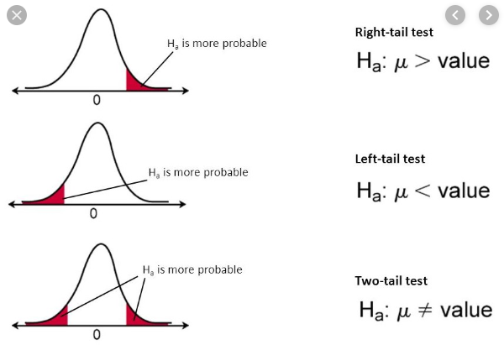

Steps in Hypothesis Testing
 | Steps in Hypothesis Testing | 1. Define Claim Statement (Equals to or Less Than or Greater Than)
 |  | 2. Configuration of Null Hypothesis & Alternative Hypothesis (H0 & H1) according to the Claim Statement
 |  | 3. Define the Level of Significance or Critical Area (α)
 |  | 4. Compute Z Score of Test Statistic
 |  | 5. Extract Critical Value at α from Z Table
 |  | 6. Compare: Z Value as per Test Statistics and Z Value as per α (Critical Area)
 |  | 7. Decision: Test Statistic < Critical Value - Failed to Reject Null Hypothesis Test Statistic > Critical Value - Reject Null Hypothesis
Types of Hypothesis Test
 | Types of Test Statistics | 1. Chi Square Test
 |  | 2. T Student Test
 |  | 3. Fisher's Z Test
 |  | 4. ANOVA Test
Types of Errors
 | Types of Errors | There are two types of errors occures in Hypothesis Type I Error Type II Error
 | Type I Error (False Positive) | This type of error occures when Null Hypothesis is true but Test Rejected Null Hypothesis
 | Type II Error (False Negative) | This type of error occures when Null Hypothesis is False but Test Failed to Rejected Null Hypothesis

Z Test
Z Test
 | What is Z test ? | It is a type of inferential statistic.
 |  | A Z-test is a statistical test used to determine whether two population means are different when the variances are known and the sample size is large.
 | Assumption of Z test | Sample size more than 30
 |  | Data points should be independent from each other
 |  | Your data should be normally distributed
 |  | Your data should be randomly selected from a population, where each item has an equal chance of being selected.
 |  | Sample sizes should be equal if at all possible.
 | Types of Z Test | 1. One Sample Z Test - We perform the One-Sample Z test when we want to compare a sample mean with the population mean.
 |  | 2. Two Sample Z Test - We perform a Two Sample Z test when we want to compare the mean of two samples.

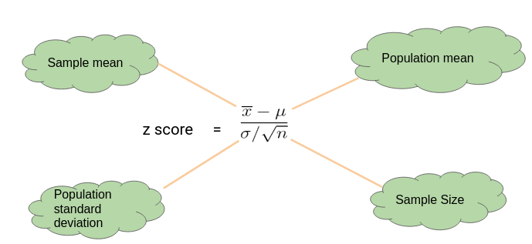

 | One-Sample Z test

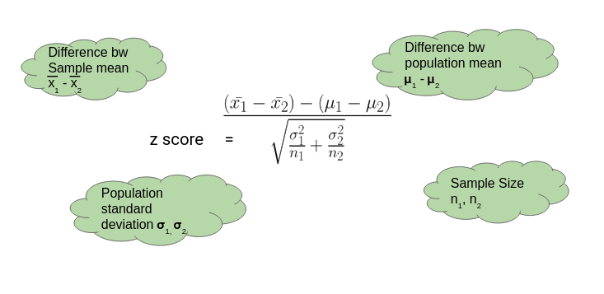
 | Two Sample Z Test

T Test
T Test or Student T Test
 | What is T Test ? | It is a type of inferential statistic.
 |  | It is used to determine if there is a significant difference between the means of two groups which may be related in certain features. A t-test is used when the population parameters (mean and standard deviation) are not known.
 | Types of T test | 1. One Sample T Test
 |  | 2. Two Sample T Test or Independent Sample T Test
 |  | 3. Paired T Test or Dependent Sample T Test
 | One Sample T Test | The One Sample t Test determines whether the sample mean is statistically different from a known or hypothesised population mean. The One Sample t Test is a parametric test.
 | Example | ages - 32,34,29,29,22,39,38,37,38,36,30,26,22,22 Checking average age is 31 or not.
 | Two Sample T Test | The Independent Samples t Test or 2-sample t-test compares the means of two independent groups in order to determine whether there is statistical evidence that the associated population means are significantly different.
 | Example
 | Paired T Test | The paired sample t-test is also called dependent sample t-test. It’s an uni variate test that tests for a significant difference between 2 related variables.
 | Example | Same food ordering from two different restaurant.
 |  | H0 - There is no difference in test
 |  | H1 - There is a difference in test
 | Assumption of T Test | 1. Data are randomly sampled
 |  | 2. Data are independent
 |  | 3. Sample size is less than 30
 |  | 4. Unknown population variance
 |  | 5. Data comes from normally distribution

 | One Sample | It is used only one sample. It is used to test whether the sample mean is equal to specified value.
 | Two Sample T Test | It is used to test whether mean of the two group is same or different
 | Paired T Test | It is used to test the difference of mean between same sample

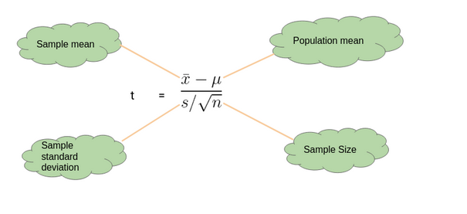
 | One Sample T Test

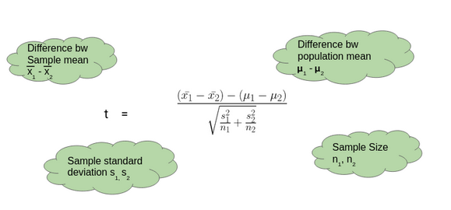
 | Two Sample T Test

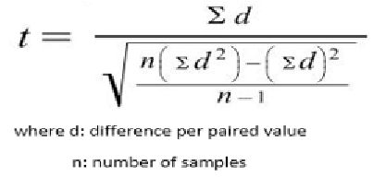
 | Paired Test

F Test
Analysis of Variance
 | ANOVA | To determine whether there is any statistical significant difference between the means of three or more independent or unrelated groups
 | Developed by | Ronald A Fisher in 1920
 | F Test | It is also know as F Test which is based on f distribution
 | Compare mean within groups/sample | It compares the means between the groups and determines whether any of those means are significantly different from each other.
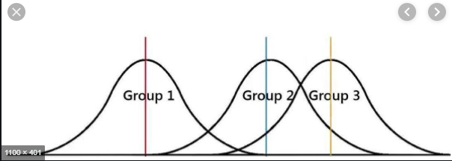

 | points | It determine whether all groups are taken from common population or not
 |  | If it has high difference in the groups of mean it means that samples taken from different population
 |  | If it has low difference in the groups of mean it means that samples taken from the same population

 | Formula | It is a ratio between,
 |  | MEAN SUM OF SQUARE BETWEEN | SSB
 |  | MEAN SUM OF SQUARE WITHIN | SSW
 | MEAN SUM OF SQUARE BETWEEN | The variation among the observations of each specific group is called its internal variation and the total of internal variation is called variability within groups
 | MEAN SUM OF SQUARE WITHIN | The total of variations from one group to another is call variability between groups
 | Type of ANOVA | 1. One Way ANOVA
 |  | 2. Two Way ANOVA

